Test Setups & cards
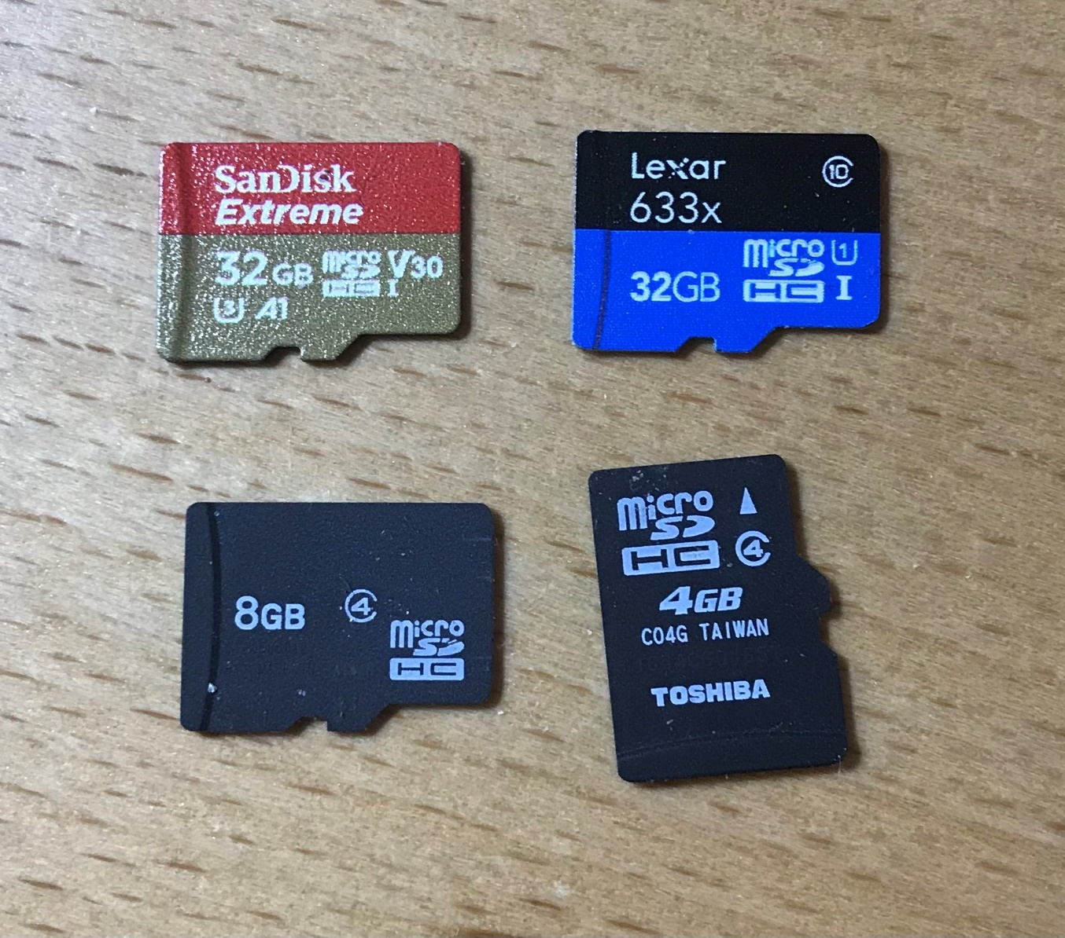
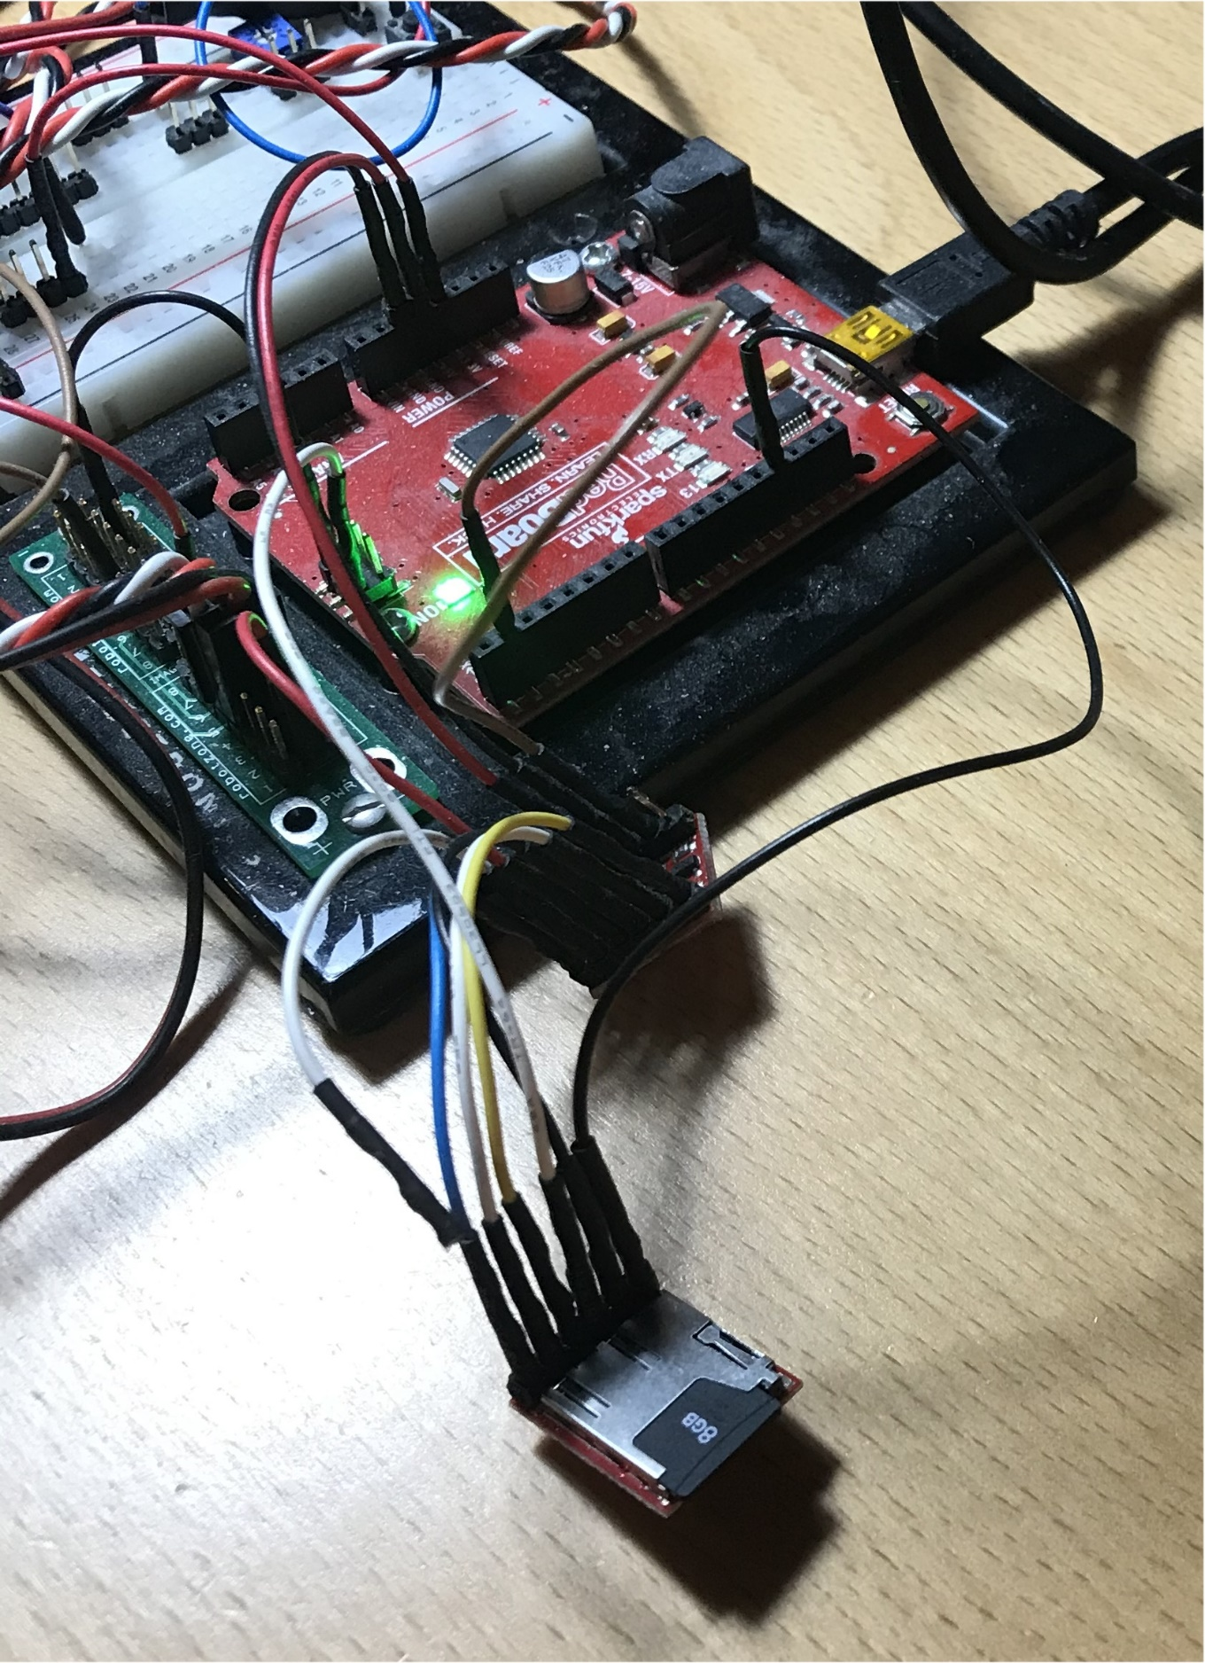
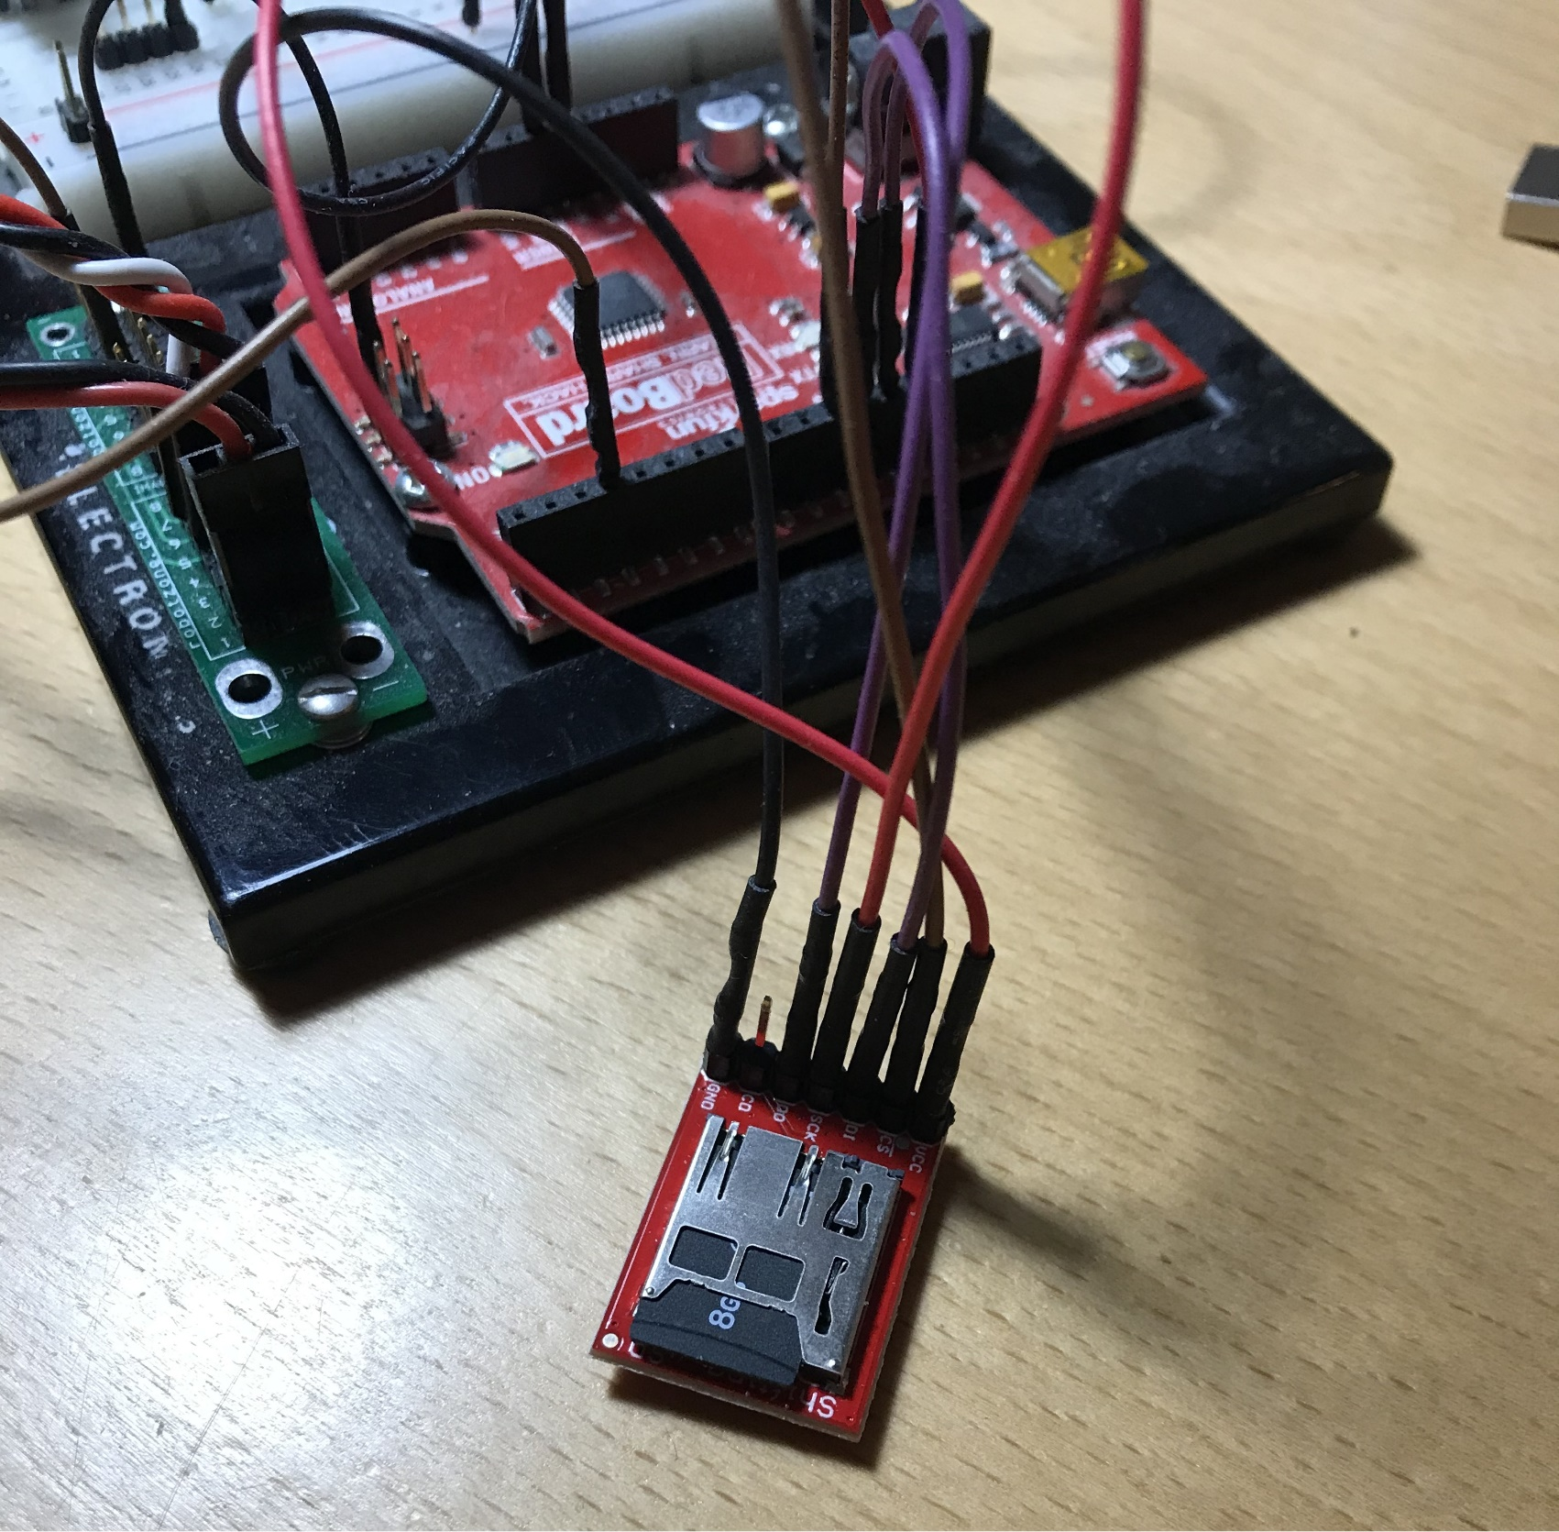
SD cards tested | SparkFun OpenLog Breakout | SparkFun Level Shifting Breakout

